Step 1 - Paint your tree
 | Step 1 - Paint your tree
 | Make columns narrow
 | Add background colours
 | Add a star using the character map and the font Wingdings
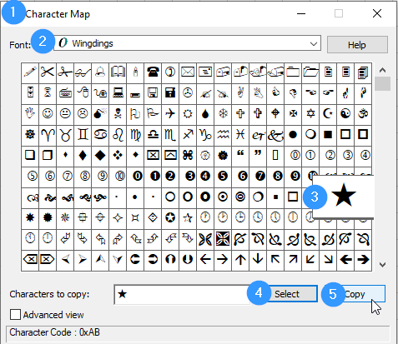

«

 | After copying the star character, paste it into the cell above the tree; it looks like this «

 | Change the font, size and colour of the "star cell" so it looks like a star.
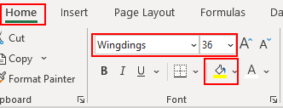

Step 3 - Format
 |  |  |  |  |  |  |  |  |  |  |  |  | Step 3 - Format
 |  |  |  |  |  |  |  |  |  |  |  |  | Select all tree cells and add conditional formatting
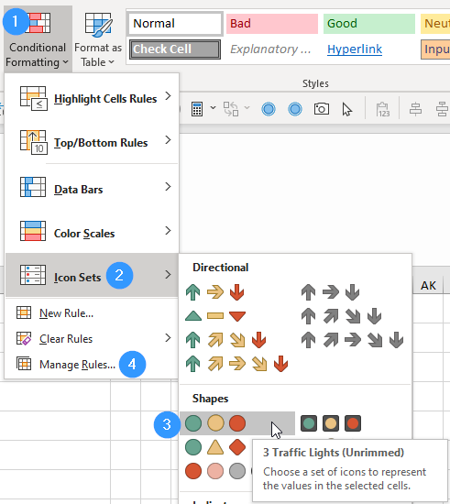

 |  |  |  |  |  | «
 |  |  |  |  |  | 2
 |  |  |  |  | 1 | 2 | 2
 |  |  |  | 2 | 1 | 2 | 1 | 2
 |  |  | 1 | 3 | 3 | 2 | 2 | 1 | 3
 |  | 2 | 3 | 3 | 3 | 3 | 1 | 2 | 2 | 2
 | 1 | 3 | 1 | 2 | 2 | 1 | 3 | 2 | 2 | 3 | 3
 | 2 | 3 | 2 | 3 | 1 | 2 | 1 | 2 | 2 | 3 | 3
1 | 3 | 1 | 3 | 1 | 2 | 1 | 2 | 2 | 2 | 2 | 2 | 3
 |  | 1 | 1 | 2 | 2 | 3 | 1 | 3 | 3 | 2

 |  |  |  |  |  |  |  |  |  |  |  |  | Then "Manage Rules"
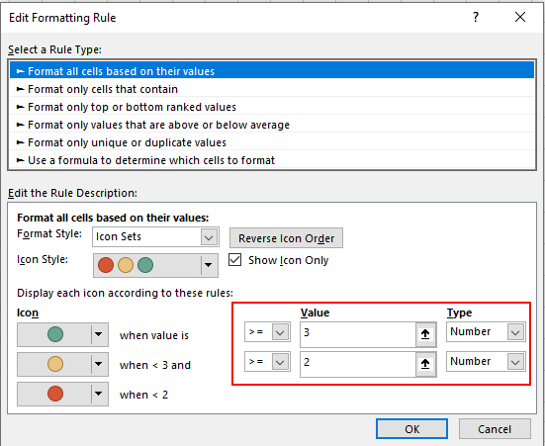

 |  |  |  |  |  |  |  |  |  |  |  |  | If you also want to animate the star, add 3 conditional formats to the star cell as follows.
 |  |  |  |  |  |  |  |  |  |  |  |  | Select the star cell, then Conditional Formatting, New Rule…
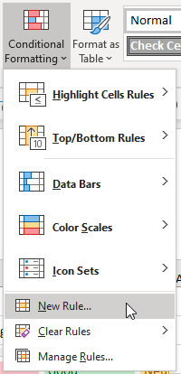

 |  |  |  |  |  |  |  |  |  |  |  |  | Select "Use a formula…" and set the font colour based upon the value in a tree cell (say P8)
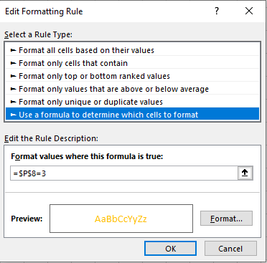

 |  |  |  |  |  |  |  |  |  |  |  |  | Repeat for the other two possible values with different font colours
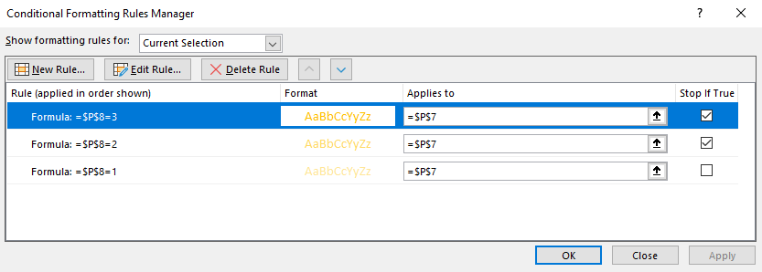

 |  |  |  |  |  |  |  |  |  |  |  |  | You can remove gridlines if you want a "cleaner" look for your sheet
